Sheet1
1. System must calculate Customer Since using earliest valid transaction, contract, or migration record. 2. Value must be read-only for non-admin users.
3. Manual override must require Administrator approval and audit logging.
4. Historical tenure must remain consistent across dashboards and reports.
5. Migration discrepancies must be flagged for review.
1. Display 20 most recent line items sorted descending by date.
2. Show Date, Product, Description, Amount, Status, and (other line items fields - check quickbase). 3. Clicking item opens invoice detail.
4. Panel must load under 2 seconds.
5. Respect role-based field visibility.
ID | Group | Category | Epic | Parent Task | Task Name | User Story | Description | Acceptance Criteria | Mockups |  | Notes | Responsible
CUBE-D1-001 | Customer Management | UI/UX | Customer Overview Redesign | Customer Financial Snapshot | Display Accurate Customer Since Date | As an Account Manager (AM), I want the Customer Since date to reflect the earliest confirmed relationship date, so that account tenure is historically accurate. | The workshop identified inconsistencies in historical tenure dates. The system must calculate the earliest valid engagement date from legacy records rather than relying on record creation timestamps. This ensures executive reporting reflects true customer longevity and prevents misleading tenure data. |  | Day 1, Part 1 [1:48:30 – 1:50:10] |  | Fixes legacy tenure inconsistencies. Prevents leadership misinterpretation. Requires backend reconciliation during migration. | TBD
CUBE-D1-002 | Customer Management | UI/UX | Customer Overview Redesign | Line Item Reference Panel | Display Recent Line Items | As an Account Manager (AM), I want to view recent line items directly in the customer profile, so that I can quickly understand billing activity without deep navigation. | Users expressed frustration navigating multiple levels to view transactions. The system must display recent activity in a summary panel to reduce navigation time and provide immediate context. |  | Day 1, Part 2 [0:14 – 0:45] |  | Solves being multiple levels deep without context. Requires optimized queries for performance. | TBD
1. Billing Preferences must be associated with a Customer Contact record, not directly with the Customer record.
2. A Customer may have multiple Customer Contacts, and each Contact may have one or more associated Billing Preferences.
3. When generating an invoice, the system must resolve the Billing Preference hierarchically in the following order: Product → Site → Customer Contact → Customer (fallback only if explicitly allowed).
4. If the resolved Billing Preference is marked Inactive, the system must prevent automated billing and flag the record for manual review.
5. The system must log in the audit trail:
- Which Billing Preference was applied
- At what hierarchy level it was resolved
- Whether it was automatically or manually selected
CUBE-D1-003 | Billing & Recurring | Functional Logic | Billing Preferences Management | Billing Hierarchy Logic | Apply Billing Preference Hierarchy | As an Account Manager (AM), I want billing preference hierarchy enforced, so that invoices always use the correct payment method. | The workshop emphasized billing inconsistencies when preferences are not clearly prioritized. The system must apply a strict hierarchy to prevent unintended payment methods. |  | Day 1, Part 2 [0:03:25 – 0:06:30] |  | Critical to automation. Prevents mischarges. Integrates with Authorize.net tokenization. | TBD
1. When a product is marked as Recurring and approved for recurring processing, the system must automatically create a new Service Ticket on the scheduled recurrence date.
2. For each automatically created Service Ticket, the system must automatically generate the associated billable Line Items according to predefined pricing rules.
3. If all billing conditions are met (active billing preference, no opt-out flags, valid payment method), the system must automatically generate the Invoice and submit it for billing without manual intervention.
4. If “Opt Out – Credit Card Processing” is enabled, the system must:
- Create Service Ticket
- Create Line Items
- Generate Invoice
- But NOT charge the credit card automatically.
5. If “Opt Out – Line Item Processing” is enabled, the system must:
- Create the Service Ticket only
- NOT auto-generate Line Items
- Require manual completion before billing.
6. The system must log each automatic action (Service Ticket creation, Line Item creation, Invoice generation, Billing attempt) in the audit trail.
CUBE-D1-004 | Billing & Recurring | Automation | Recurring Billing Engine | Auto Invoice Creation | Automatically Generate Recurring Invoices | As an Account Manager (AM), I want recurring invoices automatically generated, so that manual billing work is eliminated. | Recurring services require consistent billing cycles. The system must generate invoices based on configured schedules and billing hierarchy. |  | Day 1, Part 2 [0:8:30 – 0:11:00] | 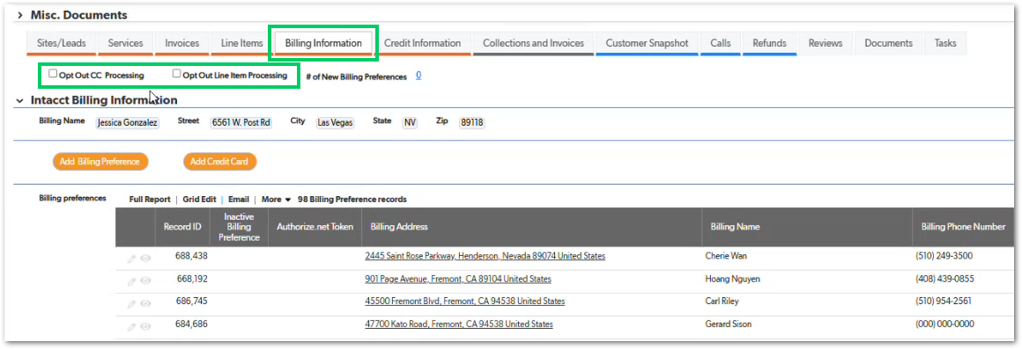 | Reduces manual workload. Requires background scheduler. Must integrate with decline handling. | TBD
1. When a user selects Add Credit Card, the system must launch the credit card capture flow without exposing full card data in Cube storage.
2. The credit card capture flow must submit the card information directly to Authorize.net (payment gateway) and receive a tokenized reference (Authorize.net token) in response.
3. After tokenization succeeds, the system must create or update a Billing Preference record in Cube containing the tokenized reference and metadata (e.g., last 4 digits, expiration month/year), but must not store raw card numbers.
4. The system must write back the Billing Preference record to the source system (Cube data store) so the billing method becomes selectable for invoices.
5. The user interface must not display the full Authorize.net token value to standard users; sensitive token fields must be hidden or restricted.
6. If tokenization fails, the system must show an actionable error message (e.g., declined, invalid card, gateway unavailable) and must not create an active Billing Preference record.
7. All attempts (success/failure) must be recorded in an audit trail including user, timestamp, and outcome.
CUBE-D1-005 | Billing & Recurring | Functional Logic | Credit & Adjustment Engine | Credit Memo Creation | Generate Formal Credit Memo | As an Account Manager (AM), I want to generate formal credit memos, so that refunds are traceable and compliant. | Credit memos must be formally documented and linked to original invoices for accounting transparency. |  | Day 1, Part 2 [0:22:45 – 0:25:20] | 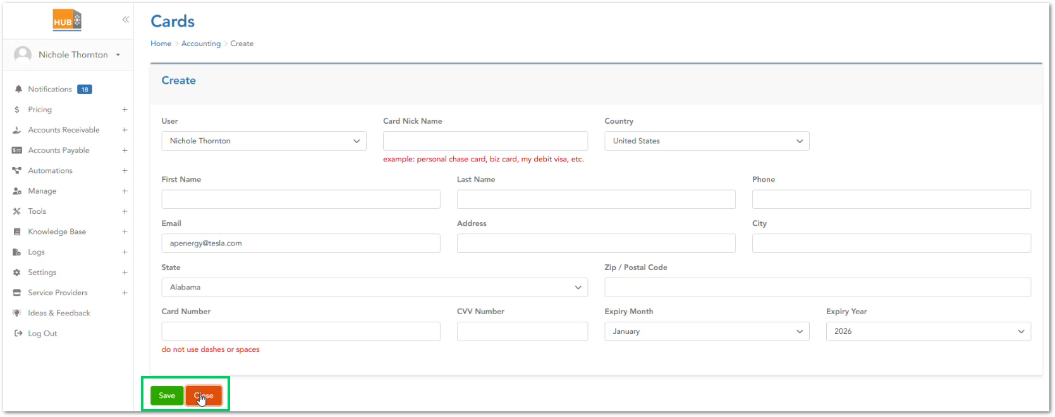 | Prevents informal adjustments. Syncs with accounting system. | TBD
1. When initiating credit card entry, the system must display the payment capture interface as an embedded modal or sidebar within Cube, without navigating the user to a separate full-page Hub environment.
2. The user must remain within the Cube interface context during the entire payment entry process (no visible frame-switching or system branding change).
3. After successful tokenization, the modal must close automatically and return the user to the originating Cube screen with updated Billing Preference data visible.
4. If the payment entry is cancelled, the modal must close without modifying existing Billing Preference records.
5. The modal must display clear loading and success/failure states during the external Authorize.net tokenization process.
6. The modal must not expose raw card data in Cube UI logs, console, or visible fields.
CUBE-D1-006 | Billing & Recurring | Integration | Billing Preferences Management | Credit Card Storage | Secure Tokenized Credit Card Storage | As an Account Manager (AM), I want credit cards stored via tokenization, so that recurring charges are secure and compliant. | The system must integrate with Authorize.net and store only tokens to maintain PCI compliance. |  | Day 1, Part 2 [0:23:40 – 0:25:20] |  | This solves the friction of full-system transitions between Cube and Hub. The intent is to reduce cognitive load and preserve workflow continuity during billing preference setup | TBD
1. The system must allow an Account Manager (AM) to enable an “Opt Out – Recurring Processing” flag at the appropriate configuration level associated with a customer’s recurring setup.
2. When the opt-out flag is enabled, the system must prevent automated billing actions during scheduled recurring processing.
3. If “Opt Out – Credit Card Processing” is enabled, the system must generate Service Tickets and Line Items but must not automatically charge the credit card.
4. If “Opt Out – Line Item Processing” is enabled, the system must generate the Service Ticket only and must require manual creation or review of Line Items before billing.
5. The opt-out flag must remain persistent until manually removed and must be logged in the audit trail when toggled.
6. The user interface must clearly indicate when recurring automation is disabled due to an opt-out setting.
CUBE-D1-007 | Billing & Recurring | Functional Logic | Recurring Engine | Opt-Out Controls | Customer-Level Recurring Opt-Out | As an Account Manager (AM), I want to apply an opt-out flag to a customer’s recurring billing configuration, so that automated billing and/or processing actions are suspended without deleting the recurring setup. | Recurring automation must respect opt-out flags to allow controlled suspension of automated billing behavior without deleting recurring configurations. |  | Day 1, Part 2 [0:09:45 – 0:11:20] |  | Prevents unintended automation. Integrates with recurring engine. | TBD
1. The system must associate multiple phone numbers (e.g., site contact numbers, customer contact numbers) with a single Customer record.
2. When an inbound call is received, the system must query all stored phone numbers associated with Customer and Site contacts to determine if a matching record exists.
3. If a match is found, the system must display the associated Customer record and historical call activity.
4. All calls (inbound and outbound) must be logged and viewable in a centralized call history tied to the Customer record.
5. If no match is found, the system must allow the user to create a new Customer record from the call interface or associate it to an existing customer.
6. The call history must display timestamp, phone number, call direction, and associated user.
CUBE-D1-008 | Customer Management | Functional Logic | Customer Interaction History | Call Aggregation | Aggregate Calls by Phone | As an Account Manager (AM), I want calls grouped by phone number, so that communication history is centralized. | Call logs must be consolidated under correct customer record to prevent fragmented interaction history. |  | Day 1, Part 2 [0:29:08 – 0:31:43] |  | Prevents duplicate customer creation and eliminates fragmented communication history across multiple phone numbers | TBD
1. The Customer record must include a dedicated Credit Information tab accessible from the main Customer profile.
2. The tab must display the customer’s configured Credit Limit as a numeric value.
3. The system must allow authorized users (e.g., CSM) to modify the Credit Limit value.
4. The tab must display whether Extended Credit is enabled for the customer.
5. If Extended Credit is enabled, the system must allow billing actions even when standard credit thresholds are exceeded.
6. If Extended Credit is disabled and the customer exceeds the defined Credit Limit, automated billing processes must be restricted until resolved.
7. All changes to Credit Limit or Extended Credit settings must be recorded in the audit trail with user and timestamp.
CUBE-D1-009 | Customer Management | Functional Logic | Customer Financial Controls Redesign | Customer Credit Configuration | Customer Credit Information Tab Implementation | As a Customer Success Manager (CSM), I want to view and manage customer credit limits and extended credit settings in a centralized Credit Information tab, so that financial exposure and billing eligibility are clearly controlled. | The Credit Information tab must serve as the authoritative source for: Customer credit limit, Extended credit approval, Billing restrictions tied to credit exposure |  | Day 1, Part 1 [1:44:30 – 1:49:30] | 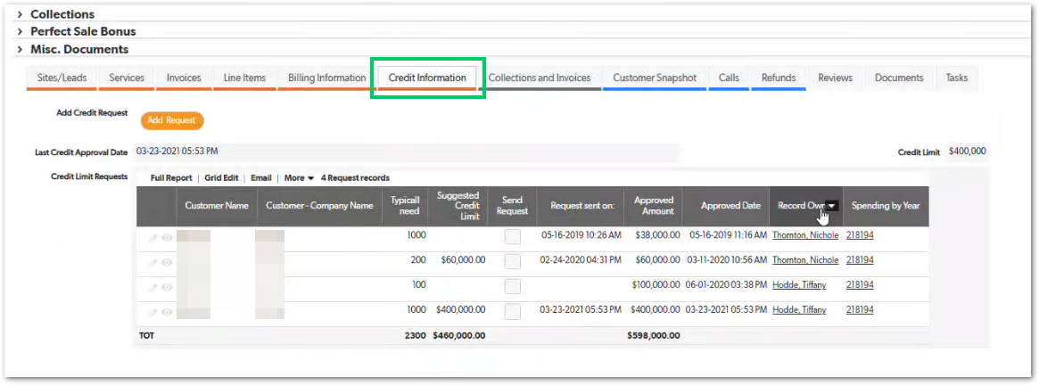 | Extended Credit acts as a manual override to standard credit limits. Visibility of credit exposure must be clear to operational users before invoicing. | TBD
1. The Customer record must include a dedicated Documents section accessible from the main profile view.
2. Users must be able to upload files (e.g., PDF, DOCX, image formats) and associate them with a Customer record.
3. Each uploaded document must require selection of a predefined Document Type (e.g., Contract, Agreement, Compliance Document).
4. The system must display documents contextually based on Document Type and user role (e.g., certain document types visible only to specific teams).
5. Uploaded documents must display metadata including:
- Upload date (Date created)
- Date Modified
- Uploaded by user
- Document type
- File name
- Document Notes
6. The system must maintain version history or prevent silent overwrites of existing documents.
7. Document uploads must be logged in the audit trail.
CUBE-D1-010 | Customer Management | UI/UX | Documents & Attachments | Document Upload | Upload Customer Documents | As an Account Manager (AM), I want to upload and categorize documents within a Customer record, so that contracts, agreements, and operational files are centralized and contextually accessible. | Document storage must support categorization and secure retrieval. |  | Day 1, Part 2 [0:38:00 – 0:39:30] | 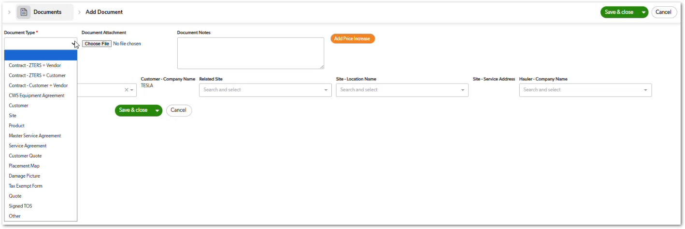 | Addresses lack of centralized contract storage and improves contextual visibility of customer agreements. Document types must support role-based conditional rendering. | TBD
1. The system must allow documents to be associated at multiple hierarchy levels:
- Customer
- Site
- Product
2. When viewing a Site record, only documents associated with that Site or inherited from the Customer level must be displayed.
3. When viewing a Product record, only documents associated with that Product or inherited from the Site/Customer level must be displayed.
4. The document association must be stored relationally (i.e., linked via record ID, not inferred by naming convention).
5. The user interface must clearly indicate the level (Customer, Site, Product) at which the document is associated.
6. Access to certain document types must respect role-based visibility rules.
CUBE-D1-011 | Customer Management | Functional Logic | Documents & Attachments | Entity Association | Associate Documents to Entity | As an Account Manager (AM), I want documents to be associated with specific Customer, Site, or Product records, so that files are displayed contextually and operational context is preserved. | Documents must maintain relationship to relevant entity. |  | Day 1, Part 2 [0:37:30 – 0:40:30] |  | Ensures audit clarity. Avoid cascade delete issues. | TBD
1. The system must provide an Administrator-only interface (e.g., hidden Admin tab) containing sensitive configuration fields.
2. Only users assigned the Administrator role may view or modify fields within the Administrator interface.
3. Non-admin users must not be able to access admin-only fields via direct URL, API calls, or UI manipulation.
4. All changes to admin-only fields must be logged in the audit trail with user, timestamp, and previous value.
5. Admin-only fields must include, at minimum, conditional logic controls and system configuration flags referenced during the workshop.
6. The system must prevent role escalation through client-side manipulation (e.g., hidden-field inspection).
CUBE-D1-012 | Customer Management | UI/UX | Admin Controls | Admin-Only Tab | Restrict Admin Fields | As an Administrator (Admin), I want sensitive configuration fields to be accessible only through an Administrator-only interface, so that operational users cannot modify critical system settings. | Some fields must be restricted to prevent accidental misuse. |  | Day 1, Part 2 [0:40:30 – 0:43:30] | 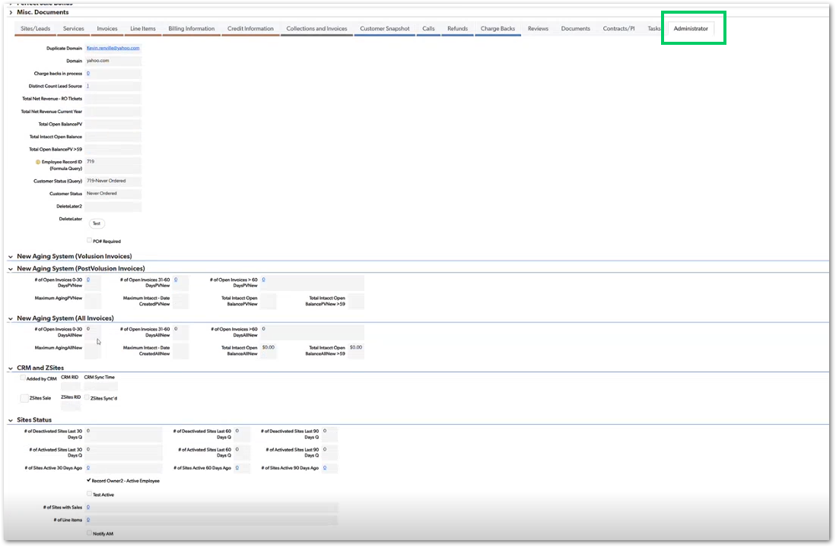 | Prevents operational errors by isolating system-level conditional logic and configuration fields from standard users. Supports separation of duties. | TBD
1. The Customer profile must display a summarized activity section near the top of the page.
2. The activity snapshot must include, at minimum:
- Recent invoices or billing activity
- Recent service tickets
- Recent communication entries (if applicable)
3. The snapshot must display the most recent activity first.
4. The summary must be accessible without navigating into Sites or Products.
5. If no activity exists, the snapshot must display a clear “No recent activity” indicator rather than remaining blank.
6. The snapshot must load within acceptable performance limits (e.g., under 2 seconds for standard records).
CUBE-D1-013 | Customer Management | UI/UX | Customer Overview Redesign | Activity Snapshot Implementation | Display Customer Activity Snapshot | As a Customer Success Manager (CSM), I want a summarized activity and financial snapshot on the Customer profile, so that I can quickly assess recent activity and exposure without drilling into individual records. | Snapshot provides quick operational awareness. |  | Day 1, Part 1 [1:38:30 – 1:44:00] | 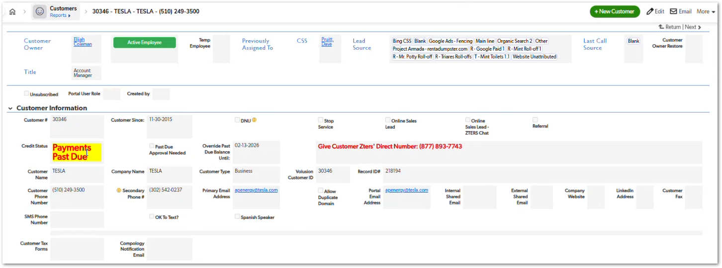 | Reduces need to drill multiple levels (Customer → Site → Product → Service Ticket) to determine recent activity | TBD
1. The Customer profile must include an Add Site action accessible from the Sites/Leads tab.
2. The Add Site form must include validated address fields, including:
- Service Address (searchable)
- City
- State
- Zip (required field)
3. The form must display a map preview when a valid address is entered.
4. The system must prevent saving the Site record if required fields (e.g., Zip) are missing.
5. Users must not be able to add Notes to a Site until the Site record has been successfully saved.
6. The Site form must include operational configuration flags, including:
- Opt Out Credit Card Processing – Site
- Opt Out Line Item Processing – Site
- Rental Protection Opt-In flags
7. The system must display contextual warning banners (e.g., record owner no longer with company) when applicable.
8. All newly created Site records must automatically associate with the parent Customer record.
CUBE-D1-014 | Customer Management | Functional Logic | Site Lifecycle Management | Site Creation Workflow | Add Site Form with Validation & Conditional Controls | As an Account Manager (AM), I want to create a new Site within a Customer record with validated address fields and configurable processing flags, so that operational setup is accurate and compliant from the start. | When an AM selects “Add Site” within a Customer record, the system must present a structured form that: Captures service address, Validates required fields, Displays map integration, Enforces required Zip entry, Applies operational processing flags (e.g., opt-outs), Restricts note creation until the record is saved |  | Day 1, Part 1 [1:11:00 – 1:16:30] | 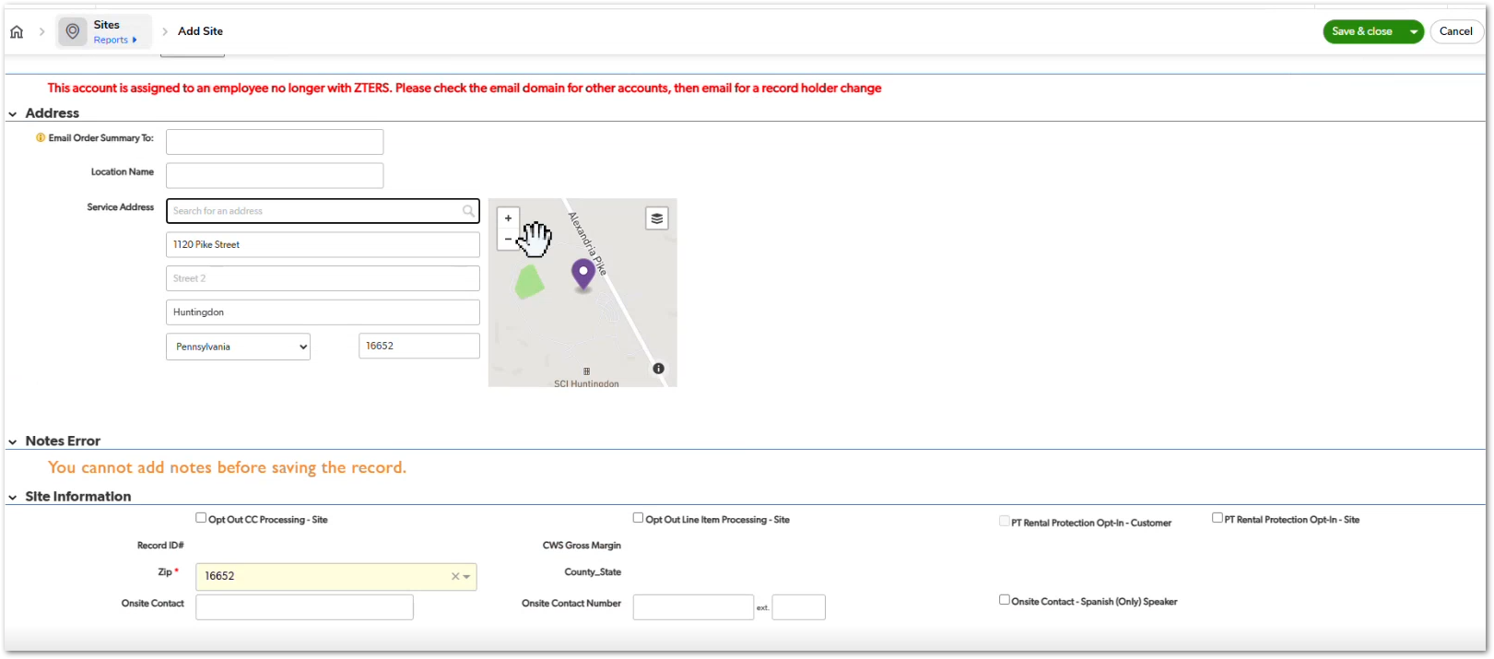 | The Add Site workflow must prevent incomplete or inconsistent site records from being created. | TBD
1. During data migration from legacy systems, customer historical fields (e.g., Customer Since date) must be compared against authoritative records where available.
2. If discrepancies are detected (e.g., incorrect start date), the system must allow correction prior to production activation.
3. The migration process must flag records with missing or conflicting historical values for manual review.
4. No migrated customer record may be activated without required historical validation fields populated.
5. All corrected historical values must be logged with migration metadata (timestamp and operator if manual override occurs).
CUBE-D1-015 | Core Platform | Data Integrity | Historical Data Integrity | Migration Validation | Validate Historical Data During Migration | As an Account Manager (AM), I want historical customer data to be reviewed and validated during system transition, so that legacy inconsistencies (e.g., incorrect customer start dates) are corrected before operational use. | Migration must reconcile tenure, billing, and vendor cost inconsistencies. |  | Day 1, Part 1 [1:45:30 – 1:48:50] | NO MOCKUP | High go-live risk area. Requires data audit script. | TBD
1. The system must capture customer review outcomes (e.g., rating and/or satisfaction feedback) associated with the relevant Customer and Product context.
2. Reviews must be linked not only to the Customer, but also to the related Service Provider (Vendor) and assigned Account Manager (AM), so issues can be attributed correctly.
3. The system must flag “negative reviews” using a configurable threshold (e.g., rating ≤ X or CSAT below Y) so that the rule can be adjusted without code changes.
4. Flagged negative reviews must be surfaced prominently (front-and-center) on the appropriate dashboard view used by internal teams.
5. Flagged reviews must remain visible until the user marks them as acknowledged/resolved, and the resolution action must be logged (user + timestamp).
6. The review display must include at minimum: review date, score/rating, customer, related product, and associated service provider.
CUBE-D1-016 | Customer Management | UI/UX | Reviews & Feedback | Negative Review Flagging | Flag Low Ratings (Reviews) | As a Customer Success Manager (CSM), I want negative customer reviews (low satisfaction scores) flagged and surfaced prominently, so that I can take corrective action quickly. | Reviews must surface performance issues quickly. |  | Day 1, Part 2 [0:36:22 – 0:37:45] |  | Supports service quality monitoring. | TBD
1. The Customer profile must include a dedicated Collections and Invoices tab accessible from the main navigation menu.
2. The tab must display a tabular view of invoices associated with the Customer, including at minimum:
- Record Owner
- Customer Name
- Date Created
- Aging (in days)
- Open Balance
- Invoice Number
- Purchase Order (PO) reference
3. The system must clearly indicate which invoices have an outstanding balance (Open Balance > $0).
4. The system must allow sorting by Date Created, Aging, and Open Balance.
5. The Account Manager (AM) must be able to download a full invoice report (e.g., CSV or PDF format) for external sharing.
6. The report must include only invoices associated with the selected Customer.
7. Invoice data must reflect real-time accounting system synchronization (e.g., Intacct), where applicable.
8. Access to download financial reports must respect role-based permissions.
CUBE-D1-017 | Customer Management | Reporting | Customer Financial Visibility Redesign | Collections & Invoice Management Panel | Customer Collections and Invoice Summary View | As an Account Manager (AM), I want a Collections and Invoices tab within the Customer profile that displays outstanding invoices and allows me to download a full invoice report, so that I can proactively manage collections and communicate accurate balances to the customer. | Account Managers (AMs) rely on this tab to check all the customer invoice records |  | Day 1, Part 2 [0:25:00 – 0:28:00] | 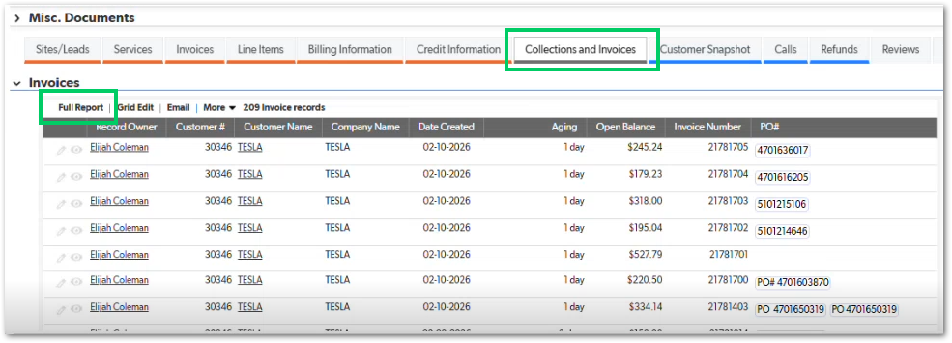 | This tab directly supports collections workflow. | TBD
1. The Customer profile must include a dedicated Customer Snapshot tab.
2. The tab must display summary metrics at the top, including:
- Total Active Sites
- Total Pending Sites
- Total Inactive Sites
- Sites without pending or completed sales
3. The tab must display a Year-over-Year (YOY) line chart showing “New Sites by Month.”
4. The chart must allow comparison across multiple years simultaneously.
5. When the user hovers over a specific year in the legend, the corresponding line must visually highlight while other lines are de-emphasized.
6. Hovering over data points must display a tooltip with:
- Year
- Month
- Number of new sites
7. Product category filters (Toilets, Roll-offs, Containers, etc.) must dynamically update the visualization.
8. The chart must update dynamically when switching customers without page reload
CUBE-D1-018 | Customer Management | Reporting / UI/UX | Customer Snapshot Dashboard | Customer Snapshot Analytics Panel | Year-over-Year Site Growth Visualization | As a Customer Success Manager (CSM), I want a dynamic Customer Snapshot tab that visualizes site growth by month and year, so that I can quickly understand customer expansion trends over time. | The Customer Snapshot tab provides a high-level analytical overview of customer site activity. |  | Day 1, Part 2 [0:26:10 – 0:29:00] | 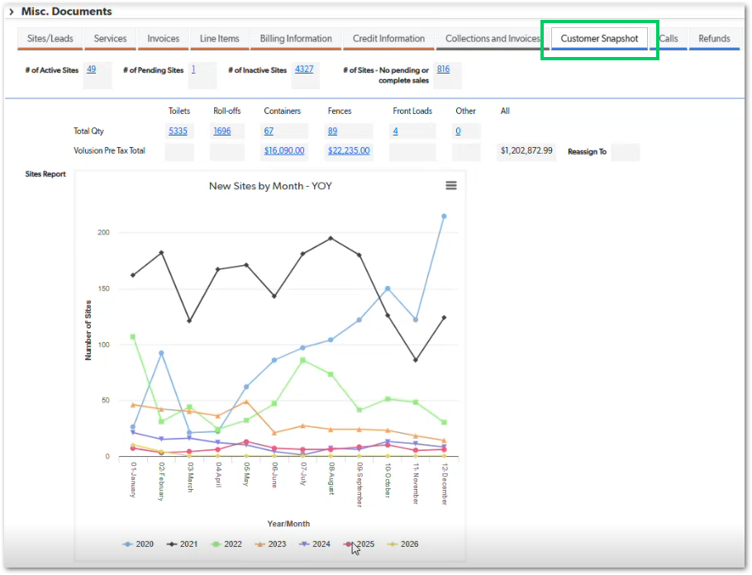 | Must be performant even for large historical datasets. | TBD
1. The Customer profile must include a dedicated Refunds tab accessible from the main navigation menu.
2. The Refunds tab must display a grid of refund or credit memo records associated with the Customer.
3. Each record must display, at minimum: Date Created, Record Owner, Customer Name, Product Type, Credit Type (Full / Partial), Date Processed, Refund Amount, Tax Amount (if applicable), Reasoning / Explanation field
4. The system must clearly distinguish between Full and Partial credits.
5. The system must calculate and display refund totals at the bottom of the grid.
6. Refund records must not be deletable once processed, but must remain visible for audit purposes.
7. Any edits to refund records must appear in a visible edit history log tied to the Customer.
8. Refund records must reflect synchronization status with the accounting system (e.g., Intacct), if applicable.
CUBE-D1-019 | Customer Management | Functional Logic | Credit & Refund Adjustment | Refund & Credit Memo Management | Refund memos | As a Customer Success Manager (CSM), I want a Refunds tab that displays credit memos and refund requests associated with a customer, so that financial adjustments are transparent and traceable. | Not all corrections require full credit memo. |  | Day 1, Part 2 [0:38:00 – 0:42:10] | 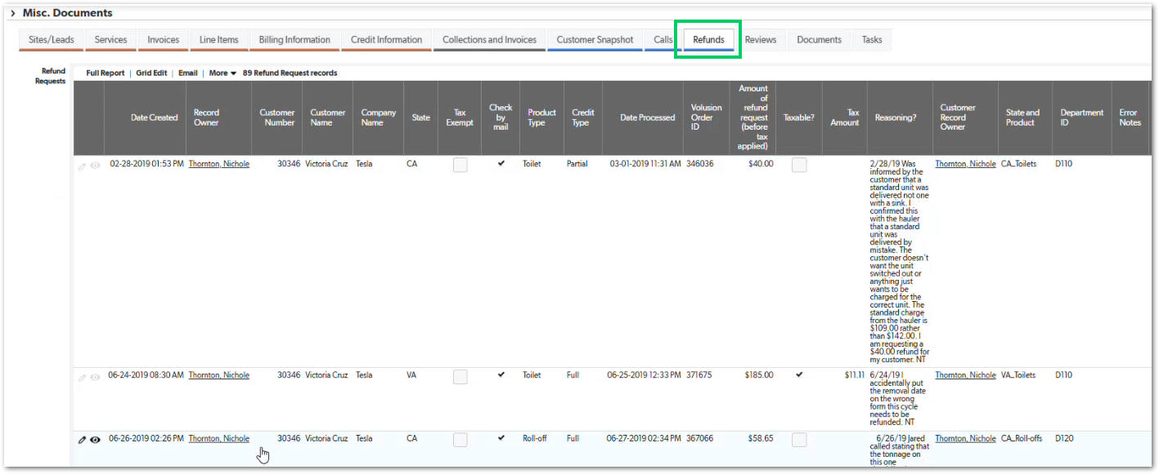 | Separate from formal credit memo. | TBD
1. The Customer profile must include a dedicated Tasks tab accessible from the main navigation.
2. Users must be able to create a new task using an “Add Task” button within the Customer context.
3. Each task must include, at minimum: Date Created, Assigned Employee (e.g., CSS), Status (e.g., Open, Completed), Action Date, Task Type, Subject, Description
4. Tasks must be associable with a specific Site-Service Address and Product Name when applicable.
5. The system must allow filtering or sorting tasks by Status and Action Date.
6. Completed tasks must remain visible for historical audit but clearly marked as Completed.
7. Task updates (status changes, edits, reassignments) must be logged with timestamp and user.
8. Only authorized users may modify or reassign tasks.
CUBE-D1-020 | Customer Management | Functional Logic | Customer Workflow & Task Management | Customer-Level Task Tracking | Customer Tasks Tab Implementation | As an Account Manager (AM), I want a Tasks tab within the Customer profile to create, assign, and track operational follow-up tasks, so that service actions and communications are properly managed and visible across the team. | It allows internal users to: Create tasks, Assign tasks to specific employees (e.g., CSS), Track status (Completed, etc.), Associate tasks with specific Sites and Products, Document follow-up actions (e.g., removal confirmation, quote follow-up, redelivery) |  | Day 1, Part 1 [0:45:35 – 0:48:20] |  | Prevents follow-ups from being lost in email chains. | TBD
1. After successfully saving a new Site, the system must automatically redirect the user to the Site profile page.
2. The Site profile must display an “Add New Service” section with product-specific buttons (e.g., Add Toilet, Add Roll-off, etc.).
3. Selecting a product must allow the user to configure service parameters (e.g., quantity, service/week).
4. Clicking “Get Pricing” must redirect the user to the Hub Pricing Tool while preserving:
- Customer ID
- Site ID
- Zip Code
5. The Pricing Tool must pre-populate the Zip Code associated with the Site.
6. The Pricing Tool must allow filtering by product category (Portable Toilets, Roll-offs, Storage Containers, etc.).
7. Selected pricing configurations must be savable and return to the originating Site context.
8. The integration must not require manual re-entry of customer or site information.
9. If pricing retrieval fails, the system must display a descriptive error message without losing the Site context.
CUBE-D1-021 | Site Management | Functional Logic | Site Service Configuration Workflow | Site-Level Service Activation | Redirect to Site & Enable Pricing Tool Integration | As an Account Manager (AM), I want to be redirected to the Site profile after creating it and immediately add a new service using the integrated Pricing Tool, so that I can configure billable services without leaving the workflow. | After saving a newly created Site, the system redirects the user to the Site information page. From there, the user can: Click “Add New Service”, Select product type (Toilet, Roll-off, Container, Fencing, Other Service, Equipment Rental, Front Load, Perm Roll-Off), Click “Get Pricing”, Be redirected to the Hub Pricing Tool. |  | Day 1, Part 1 [1:12:30 – 1:15:30] | 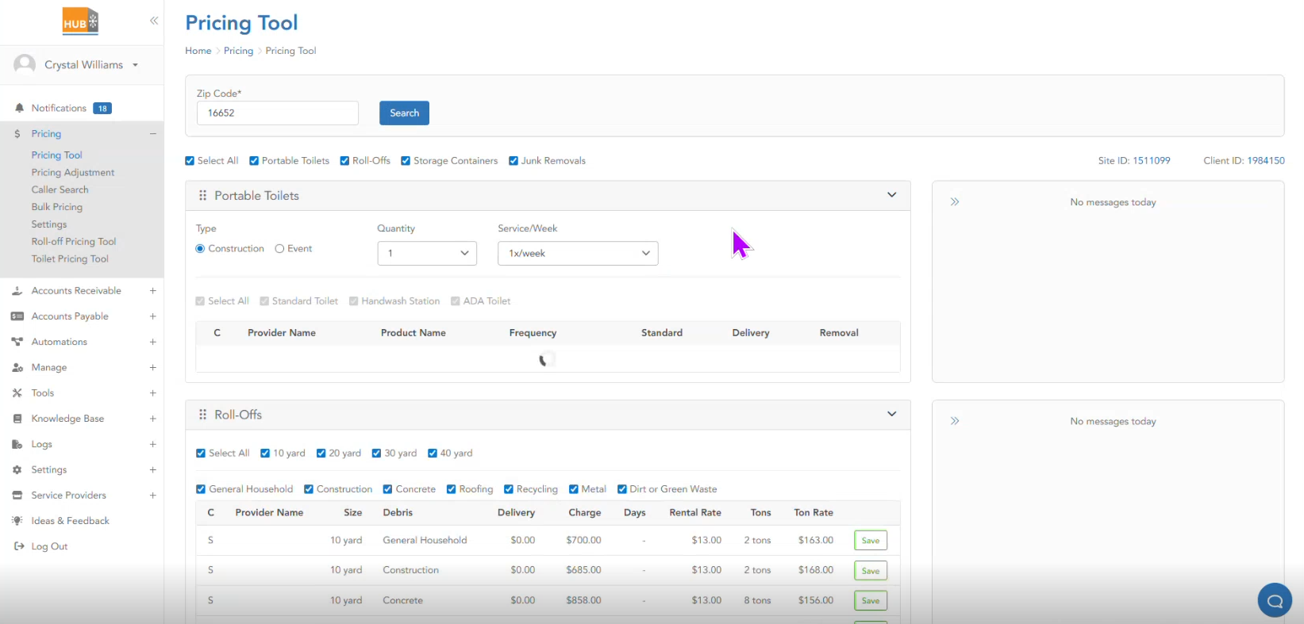 | This is a critical cross-system integration between Cube and Hub. Context preservation is essential (no retyping zip or site info). | TBD

